Sheet1
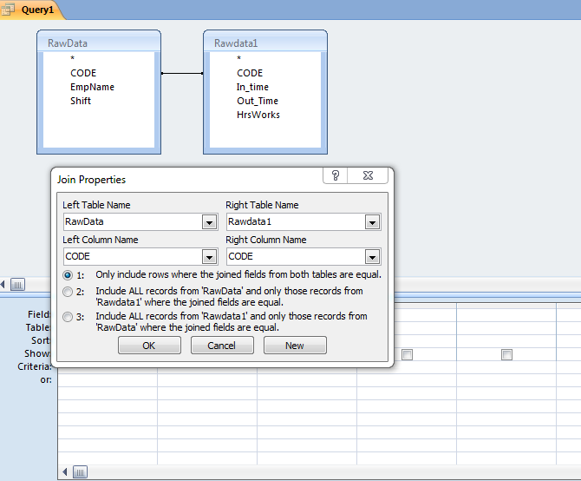
JOIN MAHARAJ

DBMS | https://www.interviewquestionspdf.com/2017/02/hcl-22-sql-server-dba-interview.html
 |  |  |  |  | SQL
 |  |  |  |  | MS Access
JOIN | Join Clause use to combine two or multiple tables for quick fast transaction. |  |  |  | MS Excel

Types of Join
 |  |  | Basic Query | Done
1). Inner Join |  |  | Intermediate Join | Pending
2). Outer Join |  |  | Advanced Join | Pending
 | a). Left Outer Join
 | b). Right Outer Join
 | c). Full Outer Join
5). Self Join
6). Cross Join

Advantages of Join

1). Combination of Multiple tables (virtual)
2), Quick fast Transaction
3). Append data in a Table from Multiple Table
4). Update table from Multiple Table
5). Delete Table from Multiple table
6). Generate Report from Multiple Table
7). Most useful for data analytics and data visualization

1). Introduction of Join | Done
2). Advantage of Join | Done
3). Types of Join | Done
4). Example of Join
5). Inner Join (Natural Join) | Topic | Sub Topic | Covered
 | Example-1 | Simple Join | done
 | Example-2 | Join with Whole field | done
 | Example-3 | Join with Virtual Table | done
 | Example-4 | Join with where Condition | done
 | Example-5 | Join with 3 Table | done
 | Example-6 | Join with 5 Table
 | Example-7 | Join with Pivot Table
 | Example-8 | Join across Database
 | Example-9 | Join with Group
 | Example-10 | Join with Agreegate Function
 | Example-11 | Join with Group & Having
 | Example-12 | Interview Quesiton-1
 | Example-13 | Interview Quesiton (110 Example)
 | Example-14 | Join in MS Excel
 | Example-15 | DishTV Query
 | Example-16 | Join in MS Access
 | Interview Quesiton

 | Example-10 | Join with Pass through Query
 | Example-11 | Join with Insert Query
 | Example-12 | Join with Update Query
 | Example-13 | Join with delete Query
 | Example-14 | Home Task-1
 | Example-15 | Home Task-2
 | Example-16 | Home Task-3
 | Example-17 | Home Task-4
 | Example-18 | Home Task-5
 | Example-19 | Home Task-6
 | Example-20 | Home Task-7
 | Example-21 | Home Task-8
 | Example-22 | Home Task-9
 | Example-23 | Home Task-10
Self Assesment -(Home Task-10)
6). Left Outer Join | Topic | Sub Topic | Covered
 | Example-1 | Simple Join
 | Example-2 | Join with Whole field
 | Example-3 | Join with Virtual Table
 | Example-4 | Join with where Condition
 | Example-5 | Join with Group
 | Example-6 | Join with Agreegate Function
 | Example-7 | Join with Multiple Table
 | Example-8 | Join in MS Excel
 | Example-9 | Join in MS Access
 | Example-10 | Join with Pass through Query
 | Example-11 | Join with Insert Query
 | Example-12 | Join with Update Query
 | Example-13 | Join with delete Quer
Self Assesment -(Home Task-10)
6). Right Outer Join | Topic | Sub Topic | Covered
 | Example-1 | Simple Join
 | Example-2 | Join with Whole field
 | Example-3 | Join with Virtual Table
 | Example-4 | Join with where Condition
 | Example-5 | Join with Group
 | Example-6 | Join with Agreegate Function
 | Example-7 | Join with Multiple Table
 | Example-8 | Join in MS Excel
 | Example-9 | Join in MS Access
 | Example-10 | Join with Pass through Query
 | Example-11 | Join with Insert Query
 | Example-12 | Join with Update Query
 | Example-13 | Join with delete Quer
Self Assesment -(Home Task-10)
8). Self Join
9). Cross Join
10). Quiz
JOIN with Pivot Table
Join with SubQuery
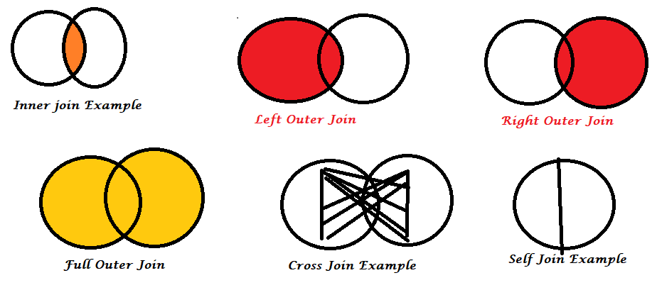
SummaryDetails from Join

Example-3
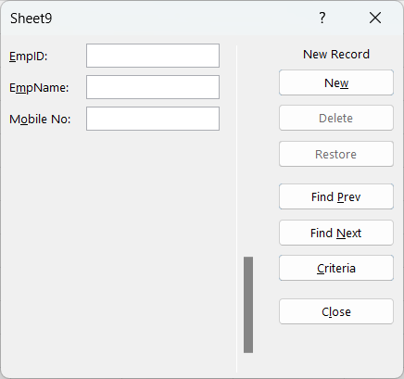
EmpID | EmpName | Mobile No
111 | Rajiv | 9911176564
222 | Manjeet | 9818064061

 | Alt+D+O

